Sheet1
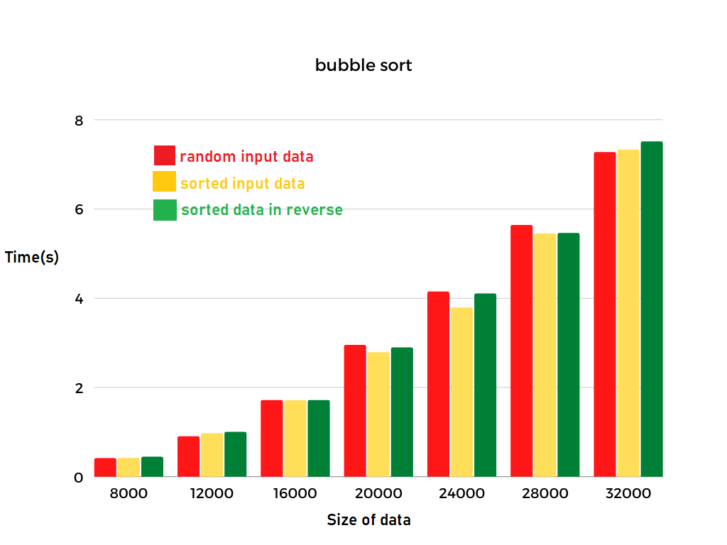
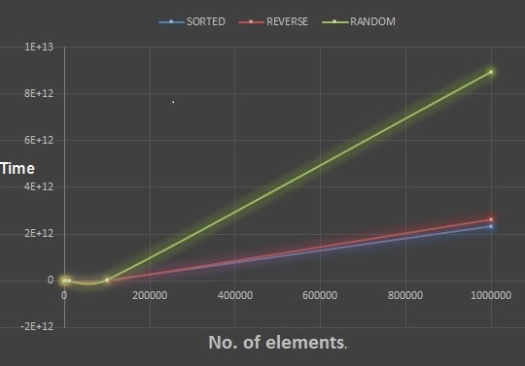
Selection Sort
type of data\ size of data | 8000 | 12000 | 16000 | 20000 | 24000 | 28000 | 32000 | 100000
random data | 0.0707s | 0.1655s | 0.2668s | 0.4166s | 0.6165s | 0.8206s | 1.0542s | 10.287s
Already Sorted data | 0.0672s | 0.1494s | 0.2657s | 0.4115s | 0.5969s | 0.8091s | 1.0543s | 10.292s
Reverse Sorted data | 0.0645s | 0.1431s | 0.2579s | 0.3961s | 0.5720s | 0.7751s | 1.0098s | 9.9031s
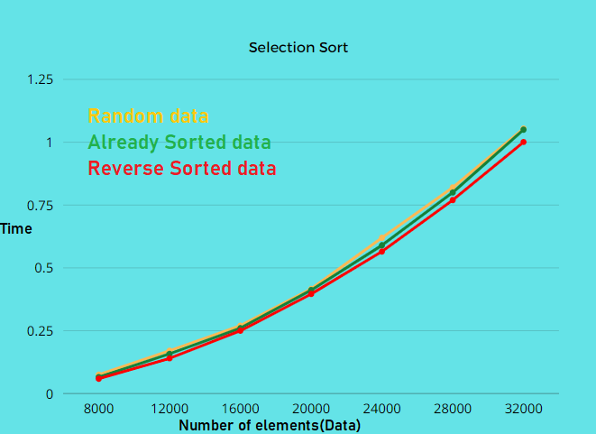

Insertion Sort
type of data\ size of data | 8000 | 12000 | 16000 | 20000 | 24000 | 28000 | 32000 | 100000
random data | 0.08889s | 0.21913s | 0.38000s | 0.61252s | 0.87254s | 1.18672s | 1.56532s | 15.1612s
Already Sorted data | 0.00008s | 0.00015s | 0.00017s | 0.00022s | 0.00026s | 0.00017s | 0.00039s | 0.00111s
Reverse Sorted data | 0.19947s | 0.42957s | 0.78531s | 1.21738s | 1.77679s | 2.39073s | 3.09537s | 30.4498s
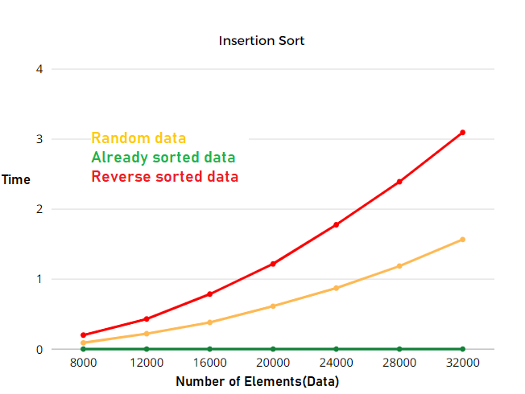

Bubble Sort:
type of data\ size of data | 8000 | 12000 | 16000 | 20000 | 24000 | 28000 | 32000 | 100000
random data | 0.408s | 0.899s | 1.710s | 2.944s | 4.140s | 5.632s | 7.266s | 116.11s
Already Sorted data | 0.414s | 0.963s | 1.706s | 2.782s | 3.785s | 5.443s | 7.322s | 115.47s
Reverse Sorted data | 0.438s | 0.997s | 1.708s | 2.888s | 4.099s | 5.454s | 7.507s | 115.74s

